Info
The purchaser has the RIGHT but not the obligation to buy/sell an asset at a price and time determined today
The seller has the OBLIGATION if called/put upon to buy/sell an asset at a price and time determined today

Call option: for the purchaser, a right to BUY
Put option: for the purchaser, a right to SELL
Premium: the price the buyer pays the seller for the option
Strike price (aka exercise price): the level which the option is struck
Expiry: the date the option expires
Expiry profit diagram (aka payoff diagram): a diagram that illustrates the option payoff at expiry
At the money: the market is trading near the strike price
In the money: the option is profitable
Deep in the money: the option is very profitable
Out of the money: the option is in a loss making situation (for the buyer)
Breakeven: the level of the market where the buyer of the option is in a breakeven situation
Exercise: when the buyer of the option takes up their right to buy/sell

Long Call
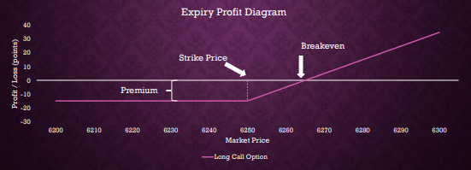

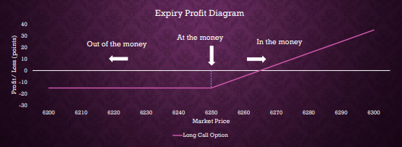

Short Call
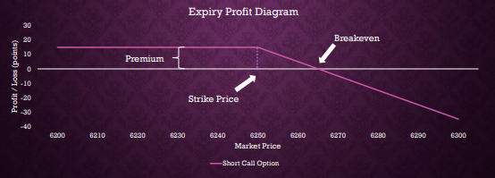

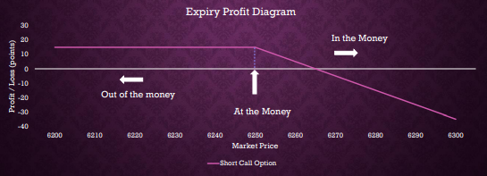

Long Put
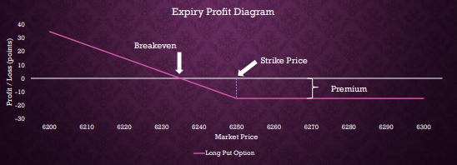

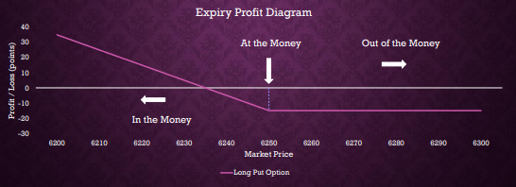

Short Put
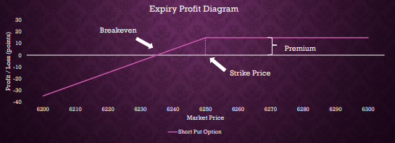

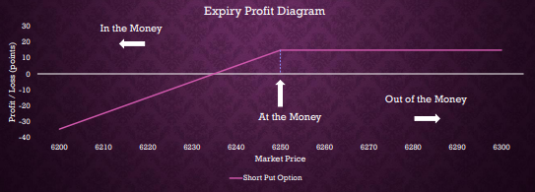

Something important about the payoffs:
The buyer of an option has limited loss (the premium) and unlimited upside
The seller of an option has limited profit (the premium) and unlimited downside

Option payoffs are additive

Sheet1
 | Inputs

 | Option | L/S | Level | Points | Amount | Premium | Put (P) / Call (C)
 | 1 | Long | 7175 | 6.5 | 210 | -1365 | C
 | 2 | Short | 7150 | 16.5 | -175 | 2887.5 | C
 | 3 | Short | 7125 | 22 | -150 | 3300 | P
 | 4 | Long | 7100 | 8.5 | 180 | -1530 | P
 | 5 |  |  |  |  | 0

x | Outcomes

 | Mkt Price | LongC | ShortC | ShortP | LongP |  | Outcome (P) | Outcome ($) | Settles @ | Nearest $25 | Ref No. | Outcome (P) for given nearest $25 to settlement
 | 6950 | (1,365) | 2,888 | (22,950) | 25,470 |  | 4,042.5 | $101,062.50 | 7118 | 7125 | 8 | 3,292.5
 | 6975 | (1,365) | 2,888 | (19,200) | 20,970 |  | 3,292.5 | $82,312.50 | 7118 | 7125 | 8 | 3,292.5
 | 7000 | (1,365) | 2,888 | (15,450) | 16,470 |  | 2,542.5 | $63,562.50 | 7118 | 7125 | 8 | 3,292.5
 | 7025 | (1,365) | 2,888 | (11,700) | 11,970 |  | 1,792.5 | $44,812.50 |  |  |  | Outcome (P) for given furthest $25 to settlement
 | 7050 | (1,365) | 2,888 | (7,950) | 7,470 |  | 1,042.5 | $26,062.50 |  | Other Range | Ref No. | (457.5)
 | 7075 | (1,365) | 2,888 | (4,200) | 2,970 |  | 292.5 | $7,312.50 |  | 7100 | 7 | (457.5)
 | 7100 | (1,365) | 2,888 | (450) | (1,530) |  | (457.5) | ($11,437.50) |  | 7100 | 7 | (457.5)
 | 7125 | (1,365) | 2,888 | 3,300 | (1,530) |  | 3,292.5 | $82,312.50 |  | 7100 | 7
 | 7150 | (1,365) | 2,888 | 3,300 | (1,530) |  | 3,292.5 | $82,312.50
 | 7175 | (1,365) | (1,488) | 3,300 | (1,530) |  | (1,082.5) | ($27,062.50) | P/L p | P/L $
 | 7200 | 3,885 | (5,863) | 3,300 | (1,530) |  | (207.5) | ($5,187.50) | 2,242.5 | $56,062.50
 | 7225 | 9,135 | (10,238) | 3,300 | (1,530) |  | 667.5 | $16,687.50 | 2,242.5 | $56,062.50
 | 7250 | 14,385 | (14,613) | 3,300 | (1,530) |  | 1,542.5 | $38,562.50 | 2,242.5 | $56,062.50
 | 7275 | 19,635 | (18,988) | 3,300 | (1,530) |  | 2,417.5 | $60,437.50
 | 7300 | 24,885 | (23,363) | 3,300 | (1,530) |  | 3,292.5 | $82,312.50
 | 7325 | 30,135 | (27,738) | 3,300 | (1,530) |  | 4,167.5 | $104,187.50
 | 7350 | 35,385 | (32,113) | 3,300 | (1,530) |  | 5,042.5 | $126,062.50
 | 7375 | 40,635 | (36,488) | 3,300 | (1,530) |  | 5,917.5 | $147,937.50
 | 7400 | 45,885 | (40,863) | 3,300 | (1,530) |  | 6,792.5 | $169,812.50
 | 7425 | 51,135 | (45,238) | 3,300 | (1,530) |  | 7,667.5 | $191,687.50

x | Visualisation

 | Mkt Price | -1365C | 2887.5C | 3300P | -1530P | 0 | Outcome (P) | Outcome ($)
 | 6950 | (1,365) | 2,888 | (22,950) | 25,470 | 0 | 4,042.5 | 101,062.5
 | 6975 | (1,365) | 2,888 | (19,200) | 20,970 | 0 | 3,292.5 | 82,312.5
 | 7000 | (1,365) | 2,888 | (15,450) | 16,470 | 0 | 2,542.5 | 63,562.5
 | 7025 | (1,365) | 2,888 | (11,700) | 11,970 | 0 | 1,792.5 | 44,812.5
 | 7050 | (1,365) | 2,888 | (7,950) | 7,470 | 0 | 1,042.5 | 26,062.5
 | 7075 | (1,365) | 2,888 | (4,200) | 2,970 | 0 | 292.5 | 7,312.5
 | 7100 | (1,365) | 2,888 | (450) | (1,530) | 0 | (457.5) | (11,437.5)
 | 7125 | (1,365) | 2,888 | 3,300 | (1,530) | 0 | 3,292.5 | 82,312.5
 | 7150 | (1,365) | 2,888 | 3,300 | (1,530) | 0 | 3,292.5 | 82,312.5
 | 7175 | (1,365) | (1,488) | 3,300 | (1,530) | 0 | (1,082.5) | (27,062.5)
 | 7200 | 3,885 | (5,863) | 3,300 | (1,530) | 0 | (207.5) | (5,187.5)
 | 7225 | 9,135 | (10,238) | 3,300 | (1,530) | 0 | 667.5 | 16,687.5
 | 7250 | 14,385 | (14,613) | 3,300 | (1,530) | 0 | 1,542.5 | 38,562.5
 | 7275 | 19,635 | (18,988) | 3,300 | (1,530) | 0 | 2,417.5 | 60,437.5
 | 7300 | 24,885 | (23,363) | 3,300 | (1,530) | 0 | 3,292.5 | 82,312.5
 | 7325 | 30,135 | (27,738) | 3,300 | (1,530) | 0 | 4,167.5 | 104,187.5
 | 7350 | 35,385 | (32,113) | 3,300 | (1,530) | 0 | 5,042.5 | 126,062.5
 | 7375 | 40,635 | (36,488) | 3,300 | (1,530) | 0 | 5,917.5 | 147,937.5
 | 7400 | 45,885 | (40,863) | 3,300 | (1,530) | 0 | 6,792.5 | 169,812.5
 | 7425 | 51,135 | (45,238) | 3,300 | (1,530) | 0 | 7,667.5 | 191,687.5

x | Calculating the Direction

 | Mkt Price | LongC | ShortC | ShortP | LongP
 | 6950 | -1365 | 2888
 | 6975 | -1365 | 2888
 | 7000 | -1365 | 2888
 | 7025 | -1365 | 2888
 | 7050 | -1365 | 2888
 | 7075 | -1365 | 2888
 | 7100 | -1365 | 2888 |  | -1530
 | 7125 | -1365 | 2888 | 3300 | -1530
 | 7150 | -1365 | 2888 | 3300 | -1530
 | 7175 | -1365 |  | 3300 | -1530
 | 7200 |  |  | 3300 | -1530
 | 7225 |  |  | 3300 | -1530
 | 7250 |  |  | 3300 | -1530
 | 7275 |  |  | 3300 | -1530
 | 7300 |  |  | 3300 | -1530
 | 7325 |  |  | 3300 | -1530
 | 7350 |  |  | 3300 | -1530
 | 7375 |  |  | 3300 | -1530
 | 7400 |  |  | 3300 | -1530
 | 7425 |  |  | 3300 | -1530

